Supplementary Table S4
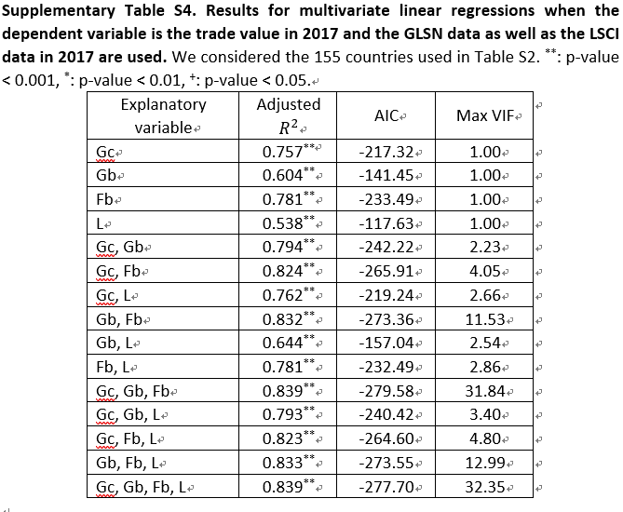
Explanatory variable | Adjusted R2 | p-value | AIC | Max VIF | # observations
Gc | 0.757 | ** | -217.32 | 1 | 155
Gb | 0.604 | ** | -141.45 | 1 | 155
Fb | 0.781 | ** | -233.49 | 1 | 155
L | 0.538 | ** | -117.63 | 1 | 155
Gc, Gb | 0.794 | ** | -242.22 | 2.23 | 155
Gc, Fb | 0.824 | ** | -265.91 | 4.05 | 155
Gc, L | 0.762 | ** | -219.24 | 2.66 | 155
Gb, Fb | 0.832 | ** | -273.36 | 11.53 | 155
Gb, L | 0.644 | ** | -157.04 | 2.54 | 155
Fb, L | 0.781 | ** | -232.49 | 2.86 | 155
Gc, Gb, Fb | 0.839 | ** | -279.58 | 31.84 | 155
Gc, Gb, L | 0.793 | ** | -240.42 | 3.4 | 155
Gc, Fb, L | 0.823 | ** | -264.6 | 4.8 | 155
Gb, Fb, L | 0.833 | ** | -273.55 | 12.99 | 155
Gc, Gb, Fb, L | 0.839 | ** | -277.7 | 32.35 | 155

